PROOF OF COMPUTATION
A349987.1

A349986.1

A333257.1

A335998.1
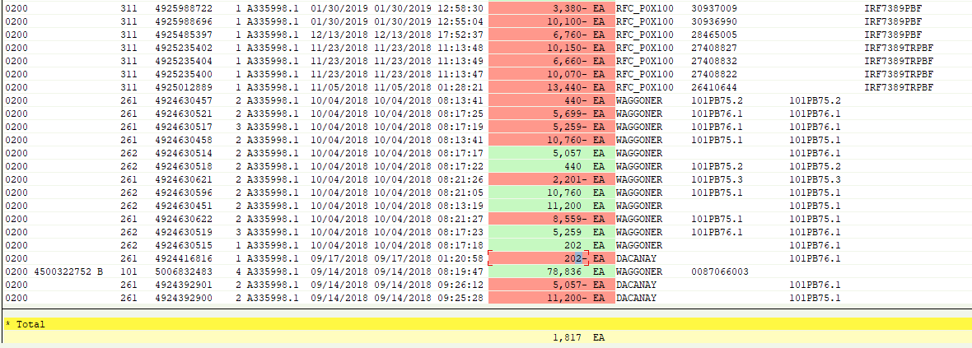

A343372.1

A317382.1
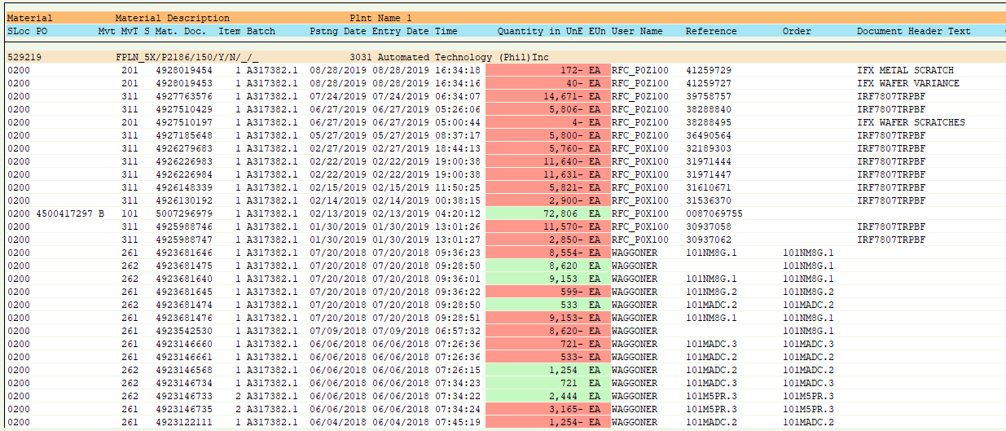

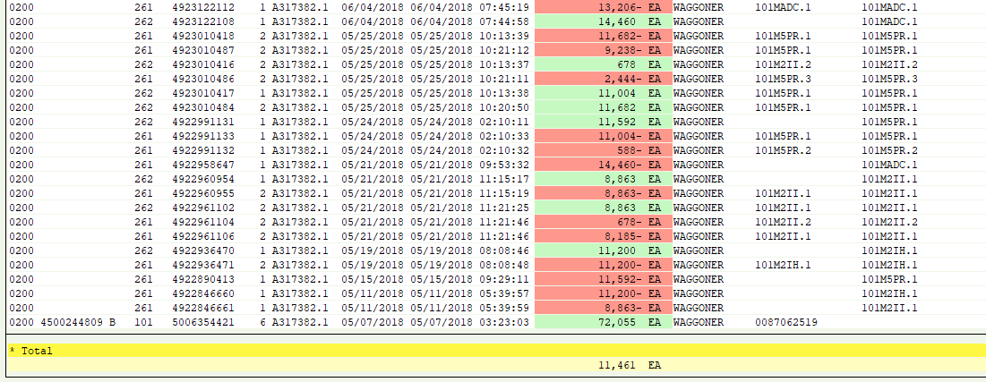

J049102.1

A329300.1
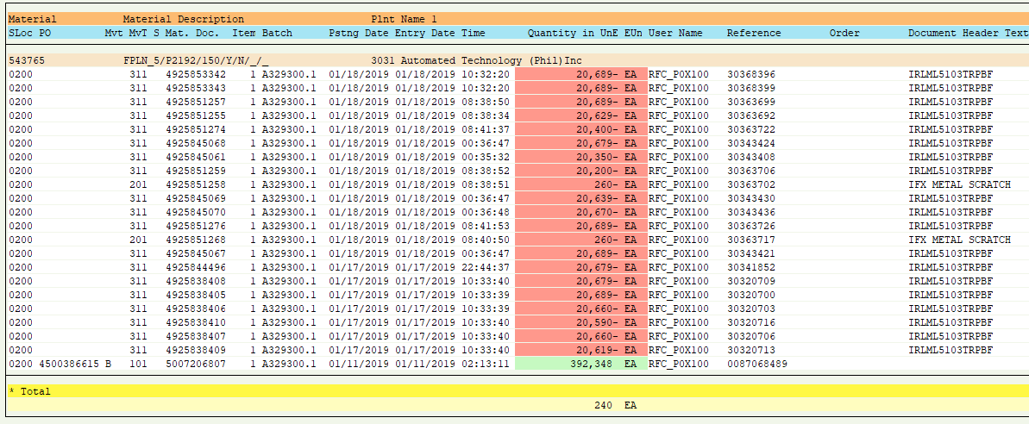

0000227641

W197255.1

J050464.1

J048048.1

Atec Computation
A362177.1
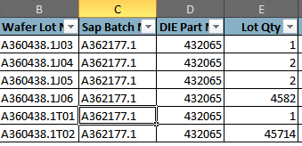

Remarks: Actual Qty: 50296 Excess for Clean up : 6

A363523.1

Remarks: Actual Qty: 36718 Excess for Clean up : 2

A315863.1

Remarks: Actual Qty: 4623 Excess for Clean up :200

A343549.1
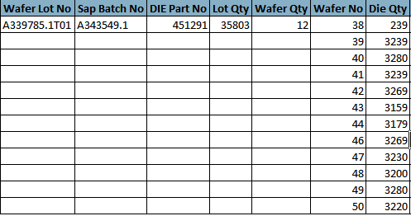

Remarks: Actual Qty: 35564 Excess for Clean up :239

A354433.1

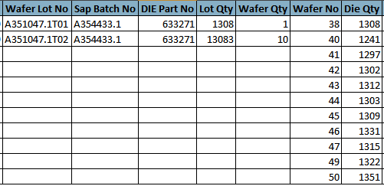

Remarks: Actual Qty: 35564 Excess for Clean up :239

A343470.1
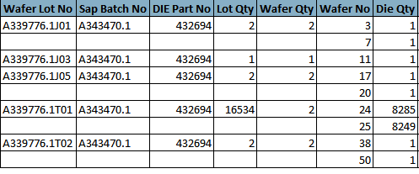

Remarks: Actual Qty: 16534 Excess for Clean up :7

A343508.1
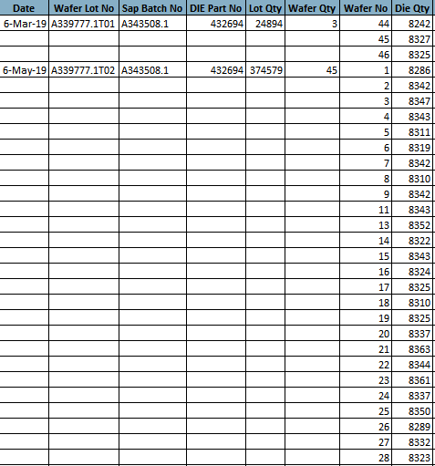


Remarks: Actual Qty: 399473

A333257.1

Remarks: Actual Qty: 0 Excess for Clean up :649

A335998.1

Remarks: Actual Qty: 0 Excess for Clean up :1817

A358907.1
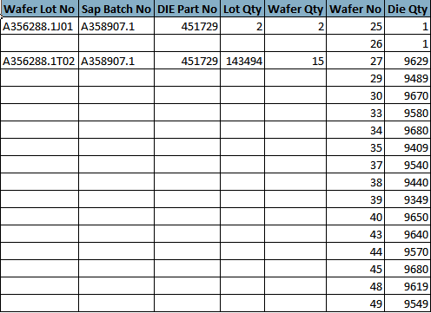

Remarks: Actual Qty: 143494 Excess for Clean up :2

A354433.1
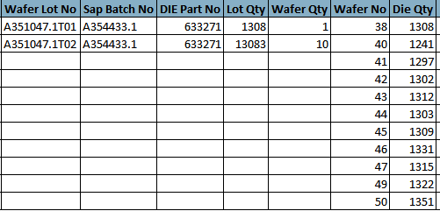

Remarks: Actual Qty: 14391

W191728.1
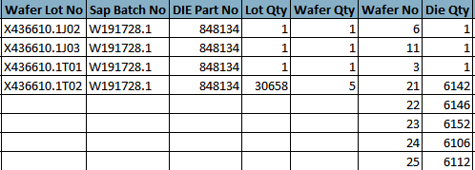

Remarks: Actual Qty: 30658 Excess for Clean up :3

W191731.1

Remarks: Actual Qty: 30778 Excess for Clean up :1

W197340.1
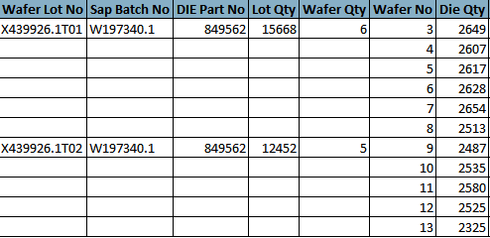

Remarks: Actual Qty: 28120

J041377.1
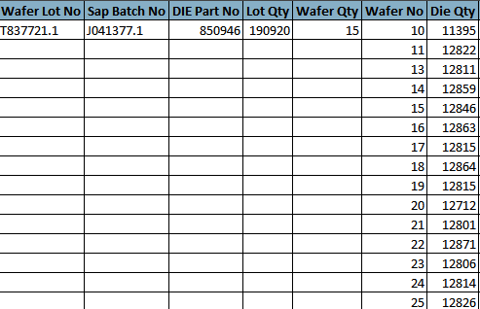

Remarks: Actual Qty: 179525 Excess for Clean up :11395

J050749.1
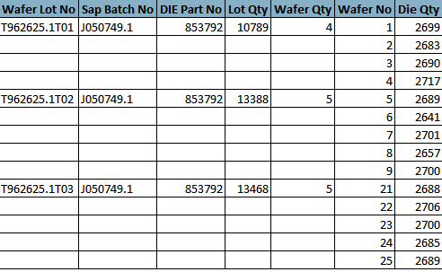

Remarks: Actual Qty: 26856 Issued Last 08/27/19 :10789

J050751.1

Remarks: Actual Qty: 13478

J051725.1

Remarks: Actual Qty: 12342

J051892.1

Remarks: Actual Qty: 17974 Excess for Clean up :1

A356801.1
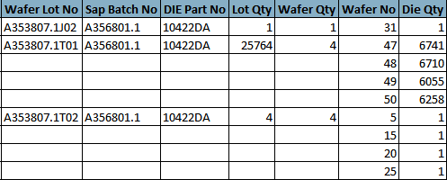

Remarks: Actual Qty: 25764 Excess for Clean up :5

J049895.1
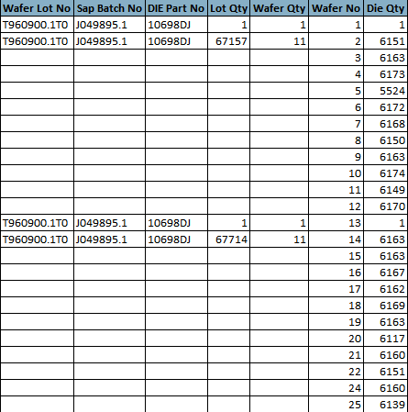

Remarks: Actual Qty: 134871 Excess for Clean up :2

J051400.1
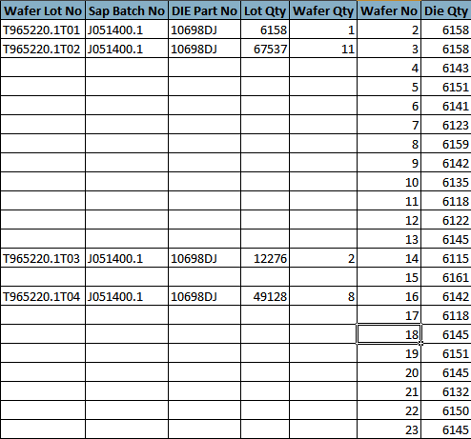

Remarks: Actual Qty: 135099

T054047.1
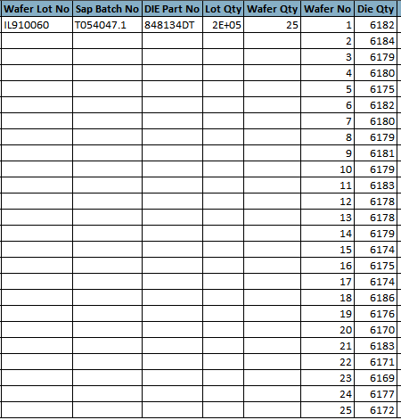

Remarks: Actual Qty: 142080 Issued Last 08/24/19 ::12366

T061566.1
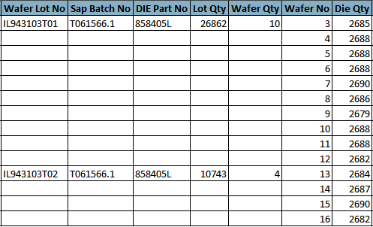

Remarks: Actual Qty: 37605

A349986.1
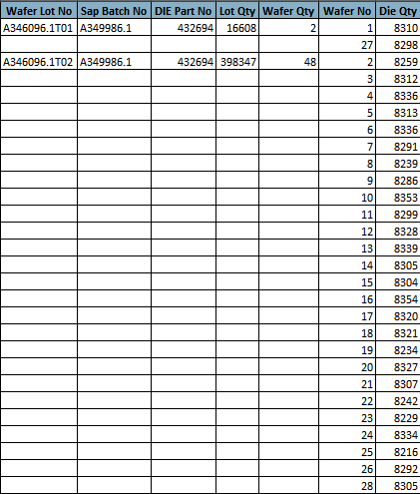
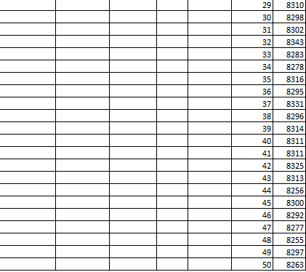

Remarks: Actual Qty: 207479 Issued Last 08/7/19 :207476

J051892.1

Remarks: Actual Qty: 17974 Excess for Clean up :1

